Instructions
 | Michael Midkiff
Site Instructions
MERGE/SORTER IMAGE: Get ICW image of merge and label associated belts from the indexing belts of each lane all the way to the sorter. SYSTEM SETTINGS PEAK/PRIME: Input system gaps, and speeds utilized during peak volume. If you have less lanes then listed type N/A, if you have more lanes add an extra line to this section. SYSTEM SPEED OPTIONS: Put each system speed currently available to this system. LANES: Input all requested data for each lane. Lane order goes based on Intelligrated assigned lane number. Speed information must be acquired by physically using a tachometer on each belt. For "Operational Belt Speed" set the system to run at the peak volume speed if multiple speeds are utilized. Acquire the PPR by physically checking the encoder dipswitch settings, DO NOT reference electrical schematics. If the bed doesn't have a shaft mounted encoder type N/A. For the "Bed #" category update the numbers to your systems Intelligrated number for each belt. If you have less lanes then listed type N/A, if you have more lanes add an extra line to this section. MERGE TO SORTER: Input all requested data for conveyance leading to sorter. "Bed type" should be the Intelligrated designation for that bed (ex: BMB for Brake Meter Belt). Speed information must be acquired by physically using a tachometer on each belt. For "Operational Belt Speed" set the system to run at the peak volume speed if multiple speeds are utilized. Acquire the PPR by physically checking the encoder dipswitch settings, DO NOT reference electrical schematics. If the bed doesn't have a shaft mounted encoder type N/A. For the "Bed #" category update the numbers to your systems Intelligrated number for each belt. If you have less conveyance then listed type N/A, if you have more lanes add an extra line to this section. SAVE THIS DOCUMENT TO YOUR NACF-AE DRIVE ONCE COMPLETE!

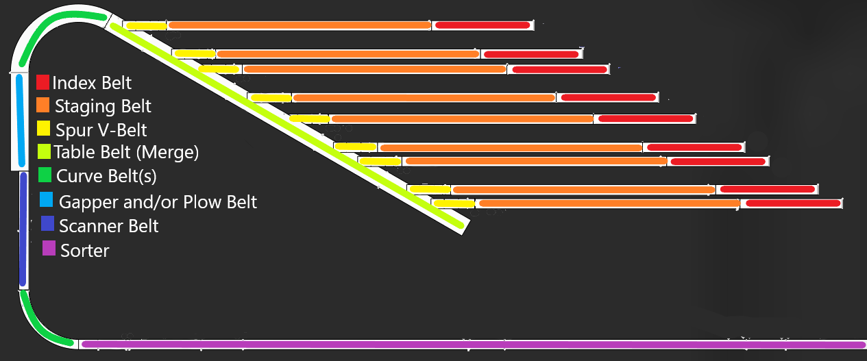

Site Code
Build Year

AFE1 (Lower)
AFE1(lower) Merge and Sorter |  |  |  |  |  | Lanes |  |  |  |  |  | Lanes continued
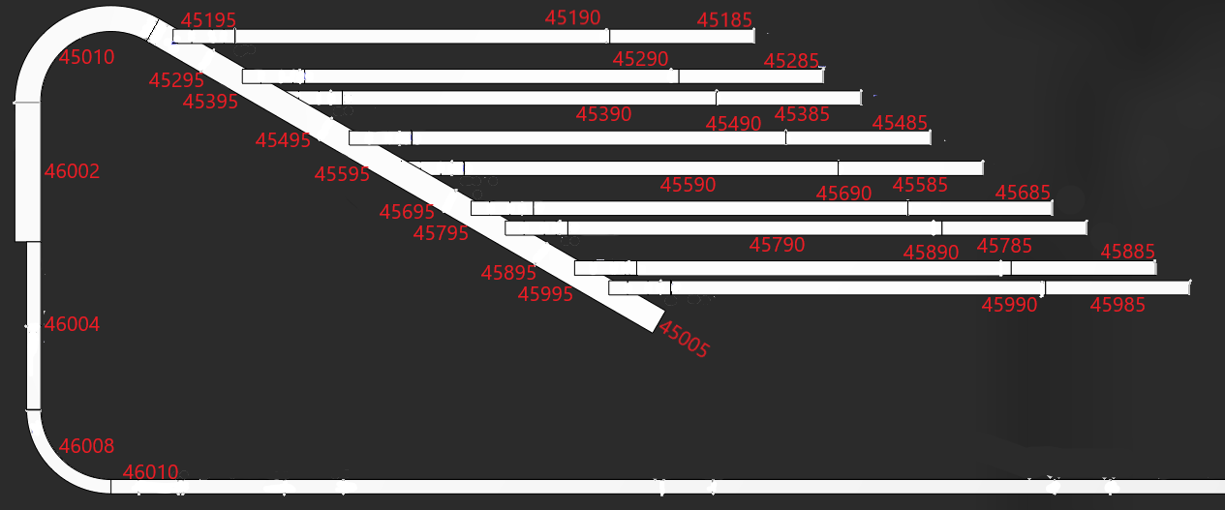 |  |  |  |  |  | Bed Type | Bed # | Profibus Address | Encoder PPR | Belt speed @60Hz | operational belt speed | Bed Type | Bed # | Profibus Address | Encoder PPR | Belt speed @60Hz | operational belt speed
 |  |  |  |  |  | Lane 1 | Tray manual return (CP42) |  |  |  |  | Lane 9 | AFE walls 16-18 (CP42)
 |  |  |  |  |  | Index | 45185 | 10231 | 00010100 |  |  | Index | 45985
 |  |  |  |  |  | Staging | 45190 | 10204 | 00010000 | 948 |  | Staging | 45990
 |  |  |  |  |  | Spur | 45195 | 10205 | x | 646 | 225.9 | Spur | 45995
 |  |  |  |  |  | Lane 2 | AFE walls 10-12 (CP43) |  |  |  |  | Lane 10 | AFE walls 19-21 (CP41)
 |  |  |  |  |  | Index | 45285 | 10230 | 00010100 |  |  | Index
 |  |  |  |  |  | Staging | 45290 | 10206 | 00010000 | 945 |  | Staging
 |  |  |  |  |  | Spur | 45295 | 10207 | x | 688 |  | Spur
 |  |  |  |  |  | Lane 3 | AFE walls 7-9 (CP43) |  |  |  |  | Lane 11 | AFE walls 22-24 (CP41)
 |  |  |  |  |  | Index | 45385 | 10229 | 00010100 |  |  | Index
 |  |  |  |  |  | Staging | 45390 | 10208 | 00010000 | 933 |  | Staging
 |  |  |  |  |  | Spur | 45395 | 10209 | x | 646 |  | Spur
 |  |  |  |  |  | Lane 4 | AFE walls 4-6 (CP44) |  |  |  |  | Merge to Sorter
 |  |  |  |  |  | Index | 45485 | 10228 | 00010100 |  |  | Bed Type | Bed # | Profibus Address | Encoder PPR | Belt speed @60Hz | operational belt speed
 |  |  |  |  |  | Staging | 45490 | 10210 | 00010000 | 955
 | System Settings Prime/Peak |  | System Speed Options |  | 550/600/650/700 | Spur | 45495 | 10211 | x | 632
 | System Speed |  | Site Code | DSM5 |  | Lane 5 | AFE walls 1-3 (CP44) |  |  |  |  | Table | 45005 | 10212 | 00010100 | 683
 | Interslug Gap |  | Build Year | 2020 |  | Index | 45585 | 10211 | 00010100 |  |  | Curve | 45010 | 10202 | x | 680
 | L1 Gap | 5 |  |  |  | Staging | 45590 | 10213 | 00010000 | 920 |  | Plow | 46002 | 10304 | x | 684
 | L2 Gap | 5 |  |  |  | Spur | 45595 | 10214 | x | 682 |  | Gapper | 46004 | 10305 | 00001100 | 681
 | L3 Gap | 5 |  |  |  | Lane 6 | AFE sorter secondary recirc (CP45) |  |  |  |  | Scanner | 46006 | 10306 | x
 | L4 Gap | 5 |  |  |  | Index | 45685 | 10223 | 00010100 |  |  | Curve | 46008 | 10307 | 00010000 | 640
 | L5 Gap | 5 |  |  |  | Staging | 45690 | 10215 | 00010000 | 956 |  | Sorter | 46010 | 10311 | 00011100 | 634
 | L6 Gap | 5 |  |  |  | Spur | 45695 | 10216 | x | 658
 | L7 Gap | 5 |  |  |  | Lane 7 | AFE sorter primary recirc(CP45)
 | L8 Gap | 5 |  |  |  | Index | 45785 | 10222 | 00010100
 | L9 Gap | X |  |  |  | Staging | 45790 | 10217 | 00010000 | 941
 | L10 Gap | X |  |  |  | Spur | 45795 | 10218 | x | 692
 | L11 Gap | X |  |  |  | Lane 8 | AFE walls 13-15 (CP42)
 | Gapper Target |  |  |  |  | Index | 45885 | 10221 | 00010100
 |  |  |  |  |  | Staging | 45890 | 10219 | 00010000 | 946 |  |  |  | Michael Midkiff
 |  |  |  |  |  | Spur | 45895 | 10220 | x | 675

AFE2 (Upper)
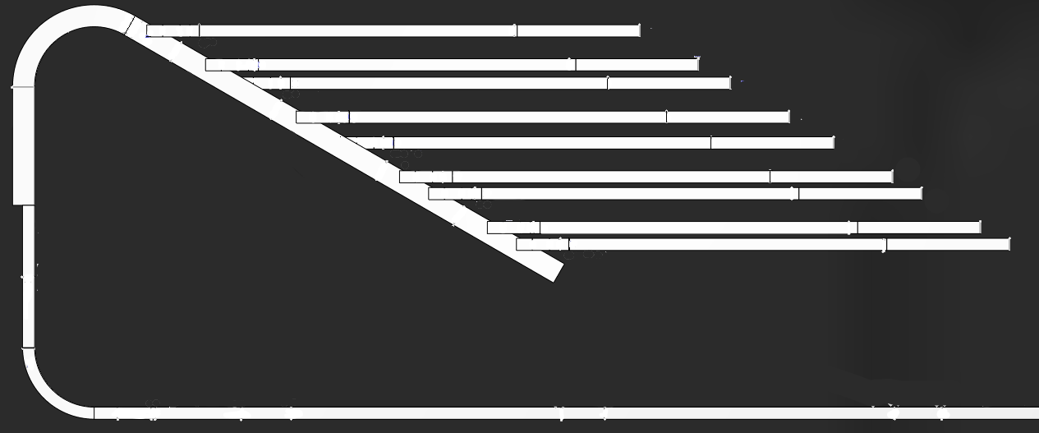
55195
55190
55010
55295
55290
55185
55285
55395
55390
55490
55385
55485
AFE2 (Upper) Merge and Sorter |  |  |  |  |  | Lanes |  |  |  |  |  | Lanes continued
 |  |  |  |  |  | Bed Type | Bed # | Profibus Address | Encoder PPR | Belt speed @60Hz | operational belt speed | Bed Type | Bed # | Profibus Address | Encoder PPR | Belt speed @60Hz | operational belt speed
 |  |  |  |  |  | Lane 1 | What feeds this lane? |  |  |  |  | Lane 9 | AFE 2 Walls
56002
55495
 |  |  |  |  |  | Index | 55185 | 10031 | 00010100 |  | 222 | Index | 55985
55595
55590
55585
 |  |  |  |  |  | Staging | 55190 | 10004 | 00010000 | 967 |  | Staging | 55990
 |  |  |  |  |  | Spur | 55195 | 10005 | X | 694 | 620 | Spur | 55995
55695
55690
55685
 |  |  |  |  |  | Lane 2 | What feeds this lane? |  |  |  |  | Lane 10 | AFE 2 Walls
55790
55785
 |  |  |  |  |  | Index | 55285 | 10030 | 00010100 |  | 174 | Index
55795
 |  |  |  |  |  | Staging | 55290 | 10006 | 00010000 | 955 | 659 | Staging
56004
55895
55890
55885
 |  |  |  |  |  | Spur | 55295 | 10007 | X | 671 | 559 | Spur
55005
 |  |  |  |  |  | Lane 3 | What feeds this lane? |  |  |  |  | Lane 11 | AFE 2 Walls
 |  |  |  |  |  | Index | 55385 | 10029 | 00010100 |  | 221 | Index
 |  |  |  |  |  | Staging | 55390 | 10008 | 00010000 | 955 | 663 | Staging
 |  |  |  |  |  | Spur | 55395 | 10009 | X | 680 | 675 | Spur
56008
56010
 |  |  |  |  |  | Lane 4 | What feeds this lane? |  |  |  |  | Merge to Sorter
 |  |  |  |  |  | Index | 55485 | 10028 | 00010100 |  | 220 | Bed Type | Bed # | Profibus Address | Encoder PPR | Belt speed @60Hz | operational belt speed
 |  |  |  |  |  | Staging | 55490 | 10010 | 00010000 | 942 | 651
 | System Settings Prime/Peak |  | System Speed Options |  | 550/600/650/700 | Spur | 55495 | 10011 | X | 682 | 669
 | System Speed |  | Site Code | DSM5 |  | Lane 5 | What feeds this lane? |  |  |  |  | Table | 55005 | 10012 | 00010100 | 675 | 675
 | Interslug Gap |  | Build Year | 2020 |  | Index | 55585 | 10027 | 00010100 |  | 217 | Curve | 55010 | 10002 | X | 781 | 617
 | L1 Gap | 7 |  |  |  | Staging | 55590 | 10013 | 00010000 | 949 |  | Plow | 56002 | 10104 | X |  | 678
 | L2 Gap | 7 |  |  |  | Spur | 55595 | 10014 | X | 672 | 672 | Gapper | 56004 | 10106 | 00001100 |  | 645
 | L3 Gap | 7 |  |  |  | Lane 6 | What feeds this lane? |  |  |  |  | Scanner | 56006 | X | X | X | X
 | L4 Gap | 7 |  |  |  | Index | 55685 | 10023 | 00010100 |  | 223 | Curve | 56008 | 10107 | 00010100 |  | 650
 | L5 Gap | 7 |  |  |  | Staging | 55690 | 10015 | 00010000 | 955 | 685 | Sorter | 56010 | 10111 | 00010000
 | L6 Gap | 7 |  |  |  | Spur | 55695 | 10016 | X | 698 | 680
 | L7 Gap | 7 |  |  |  | Lane 7 | What feeds this lane?
 | L8 Gap | 7 |  |  |  | Index | 55785 | 10022 | 00010100 |  | 223
 | L9 Gap | X |  |  |  | Staging | 55790 | 10017 | 00010000 | 958 | 624
 | L10 Gap | X |  |  |  | Spur | 55795 | 10018 | X | 691 | 650
 | L11 Gap | X |  |  |  | Lane 8 | What feeds this lane?
 | Gapper Target |  |  |  |  | Index | 55885 | 10021 | 00010100 |  | 219 |  |  | Michael Midkiff
 |  |  |  |  |  | Staging | 55890 | 10019 | 00010000 | 961 | 645
 |  |  |  |  |  | Spur | 55895 | 10020 | X | 685 | 663

